Figure 1 Number of Persons 65+
Figure 1: Number of Persons 65+, 1900 - 2060 (numbers in millions)
1900 | 3.1
1920 | 4.9
1940 | 9
1960 | 16.6
1980 | 25.5
2000 | 35
2012 | 43.1
2020 | 56
2040 | 79.7
2060 | 92
Figure 1: Number of Persons 65+, 1900 to 2060 (numbers in millions)
 | Year (as of July 1)
1900 | 3.1
1920 | 4.9
1940 | 9
1960 | 16.6
1980 | 25.5
2000 | 35
2012 | 43.1
2020 | 56
2040 | 79.7
2060 | 92

Figure 1 - this chart shows the large increases in the older population from 3.1 million people in
1900 to 43.1 million in 2012 and projected to 92 million in 2060.

Note: Increments in years are uneven.

Source: U.S. Census Bureau, Population Estimates and Projections

Figure 2 Marital Status
Figure 2: Marital Status of Persons 65+, 2013
Figure 2: Marital Status of Persons 65 +, 2013
 | Women | Men
Married | 45% | 71%
Widowed | 36% | 12%
Divorced or Separated/ Spouse Absent | 14% | 12%
Single (never married) | 4% | 5%

Figure 2 - Chart shows the gender differences as men are more likely to be married (71% to 45%) and women more likely to be widowed (36% to 12%)

Source: U.S. Census Bureau, Current Population Survey, Annual Social and Economic Supplement.

Figure 3 Living Arrangements
Figure 3: Living Arrangements of Persons 65+, 2013
 | Men | Women
living with spouse | 71.0% | 45.0%
living alone | 19.0% | 35.0%
Other | 10.0% | 20.0%

Chart 3M of Figure 3: Living Arrangements of Men 65+, 2013
 | Men
Living alone | 19
Living with spouse | 71
Other | 10

Figure 3M shows that 71% of older men live with a spouse and 19% live alone while 10% live in other arrangements.

Chart 3F of Figure 3: Living Arrangements of Women 65+, 2013

 | Women
Living alone | 35
Living with spouse | 45
Other | 20

Figure 3F shows that 45% of older women live with a spouse and 35% live alone while 20% live in other arrangements.

Source: U.S. Census Bureau, Current Population Survey, Annual Social and Economic Supplement.

Figure 4 State Map Percent 65+
Figure 4: Persons 65+ as a Percentage of Total Population, 2012

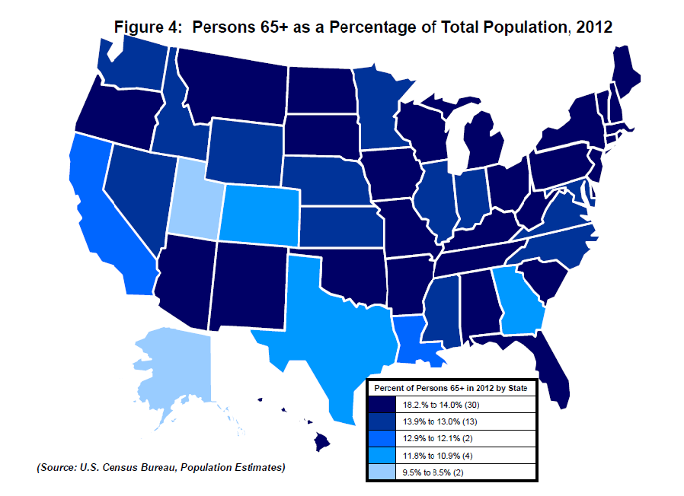
State | Percent of all Ages
U.S Total | 13.70%
Alabama | 14.50%
Alaska | 8.50%
Arizona | 14.80%
Arkansas | 15.00%
California | 12.10%
Colorado | 11.80%
Connecticut | 14.80%
Delaware | 15.30%
District of Columbia | 11.40%
Florida | 18.20%
Georgia | 11.50%
Hawaii | 15.10%
Idaho | 13.30%
Illinois | 13.20%
Indiana | 13.60%
Iowa | 15.30%
Kansas | 13.70%
Kentucky | 14.00%
Louisiana | 12.90%
Maine | 17.00%
Maryland | 13.00%
Massachusetts | 14.40%
Michigan | 14.60%
Minnesota | 13.60%
Mississippi | 13.50%
Missouri | 14.70%
Montana | 15.70%
Nebraska | 13.90%
Nevada | 13.10%
New Hampshire | 14.70%
New Jersey | 14.10%
New Mexico | 14.10%
New York | 14.10%
North Carolina | 13.80%
North Dakota | 14.40%
Ohio | 14.80%
Oklahoma | 14.00%
Oregon | 14.90%
Pennsylvania | 16.00%
Rhode Island | 15.10%
South Carolina | 14.70%
South Dakota | 14.70%
Tennessee | 14.20%
Texas | 10.90%
Utah | 9.50%
Vermont | 15.70%
Virginia | 13.00%
Washington | 13.20%
West Virginia | 16.80%
Wisconsin | 14.40%
Wyoming | 13.10%
Puerto Rico | 15.80%

Figure 4 is a US state map showing the percent of persons over 65 in the population of each state.
The data may be found in the table in Figure 6.

Source: U.S. Census Bureau, Population Estimates, Current Population Survey, Annual Social and Economic Supplement, and American Community Survey.

Figure 5 State Map Increase 65+
Figure 5: Percent Increase in Population 65+, 2002 to 2012

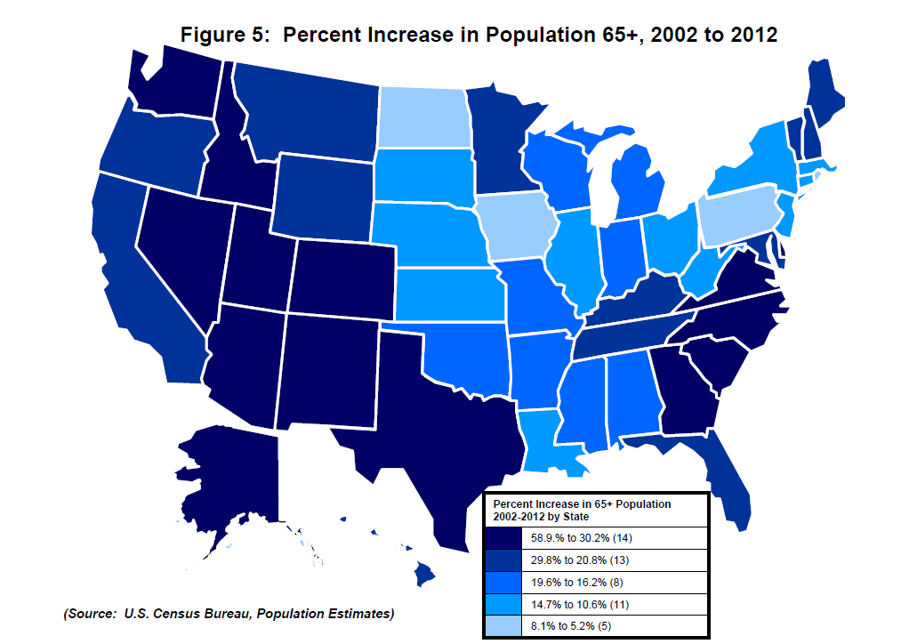
State | Percent Increase from 2002 to 2012
U.S. Total | 21.46
Alabama | 19.59
Alaska | 58.89
Arizona | 39.55
Arkansas | 18.19
California | 24.58
Colorado | 41.65
Connecticut | 12.92
Delaware | 33.59
District of Columbia | 5.75
Florida | 22.80
Georgia | 40.12
Hawaii | 26.96
Idaho | 39.08
Illinois | 12.94
Indiana | 17.14
Iowa | 8.05
Kansas | 11.23
Kentucky | 20.97
Louisiana | 14.65
Maine | 21.15
Maryland | 24.14
Massachusetts | 12.19
Michigan | 17.25
Minnesota | 20.80
Mississippi | 17.26
Missouri | 16.35
Montana | 27.75
Nebraska | 10.55
Nevada | 49.32
New Hampshire | 28.33
New Jersey | 12.12
New Mexico | 33.62
New York | 11.59
North Carolina | 34.60
North Dakota | 6.75
Ohio | 12.76
Oklahoma | 16.93
Oregon | 29.82
Pennsylvania | 7.50
Rhode Island | 5.17
South Carolina | 39.07
South Dakota | 13.10
Tennessee | 28.08
Texas | 33.17
Utah | 36.61
Vermont | 24.39
Virginia | 30.23
Washington | 33.85
West Virginia | 12.59
Wisconsin | 16.15
Wyoming | 27.33
Puerto Rico | 29.38

Figure 5 is a US state map showing the percent increase from 2002 to 2012 in the older population of each state.
The data may be found in the table in Figure 6.

Source: U.S. Census Bureau, Population Estimates, Current Population Survey, Annual Social and Economic Supplement, and American Community Survey.

Figure 7F Family Income
Figure 7F: Percent Distribution of Family Households with Householder Aged 65+ by Income: 2012
Figure 7: Percent Distribution by Income: 2012
Family Households with Householder Aged 65+
Under $10,000 | 2.0%
$10,000 - $14,999 | 3.0%
$15,000 - $24,999 | 11.0%
$25,000 - $34,999 | 16.0%
$35,000 - $49,999 | 18.0%
$50,000 - $74,999 | 20.0%
$75,000 and over | 29.0%
$48,957 median for 15.1 million family households 65+

Family Households 65+ Householder, 2012

29% earned $75,000 or more.

$48,957 median for 15.1 million family households 65+

Figure 7F is a chart showing the number of older persons in various categories of family household income for 2012.
A few (5%) are in the two lowest categories (up to $15,000). Most are spread around the middle and upper categories.

Source: U.S. Census Bureau, Current Population Survey, Annual Social and Economic Supplement.

Figure 7P Personal Income
Figure 7P: Percent Distribution by Income of Persons 65+ Reporting Income: 2012
Persons 65+ Reporting Income | Percent of persons
Under $5,000 | 4.0%
$5,000 - $9,999 | 13.0%
$10,000 - $14,999 | 17.0%
$15,000 - $24,999 | 25.0%
$25,000 - $34,999 | 13.0%
$35,000 - $49,999 | 11.0%
$50,000 and over | 17.0%
$20,380 median for 41.8 million persons 65+ reporting income.

Persons 65+ Reporting Income, 2012

Figure 7P is a chart showing personal income of older persons. 17% report under $10,000.
About half are in the middle categories ($10,000 to $35,000). Almost 28% have personal
incomes of $35,000 or more.

Source: U.S. Census Bureau, Current Population Survey, Annual Social and Economic Supplement.

Figure 8 Health Insurance
Figure 8: Health Insurance Coverage of Non-institutionalized Persons 65+, 2012
Type of Coverage | Percentages:
All types coverage | 99
Total private | 56
--employment-based | 33
--direct purchase | 26
Total government | 93
--Medicare | 93
--Medicaid | 8
--Military | 9
Not covered | 2
Figure 8: Percentage of Persons 65+ by type of Health Insurance Coverage, 2012

Figure 8 shows the percent of older persons by various types of health insurance.
99% have some type of coverage - note figures are overlapping.
93% have Medicare; 8% have Medicaid. 56% have some type of private insurance as well.

Source: U.S. Census Bureau, Current Population Survey, Annual Social and Economic Supplement.

Figure 9 Disability
Figure 9. Percentage of Persons Age 65+ with a Disability: 2012
Subject
 | Percent with a disability
 | Estimate

Any disability | 35.90%
Hearing difficulty | 14.70%
Vision difficulty | 6.50%
Cognitive difficulty | 9.30%
Ambulatory difficulty | 23.10%
Self-care difficulty | 8.70%
Independent living difficulty | 15.80%
Figure 9: Percentage of Persons Age 65+ with a Disability, 2012
 | 65 and over
Any disability | 35.9
Hearing difficulty | 14.7
Vision difficulty | 6.5
Cognitive difficulty | 9.3
Ambulatory difficulty | 23.1
Self-care difficulty | 8.7
Independent living difficulty | 15.8

Figure 9 shows a chart of the percentage of older persons with disabilities.
Among people age 65 and over, 36 percent have at least one disability.
Other disabilities range from 9 percent.

Source: U.S. Census Bureau, American Community Survey.

